Sheet1
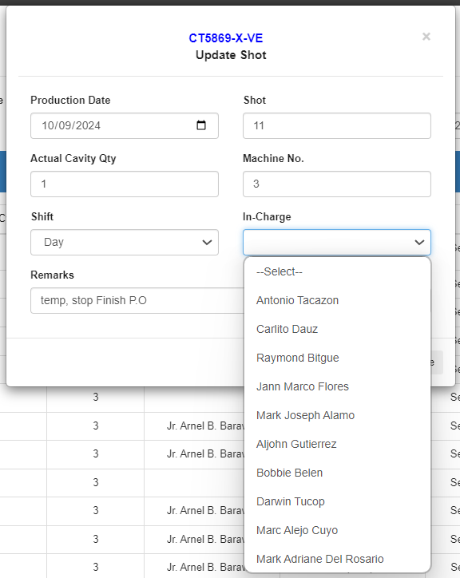
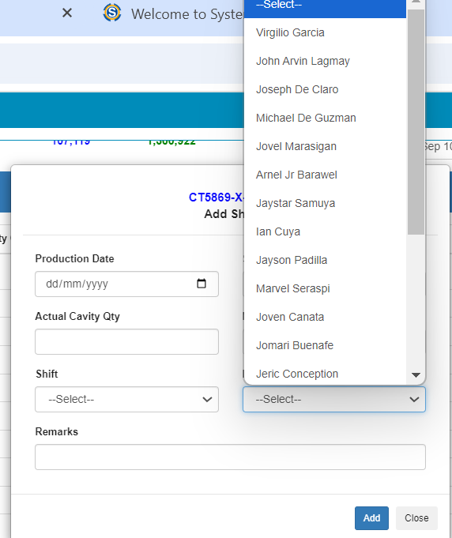
1. Hanging disapprove and Edit icon
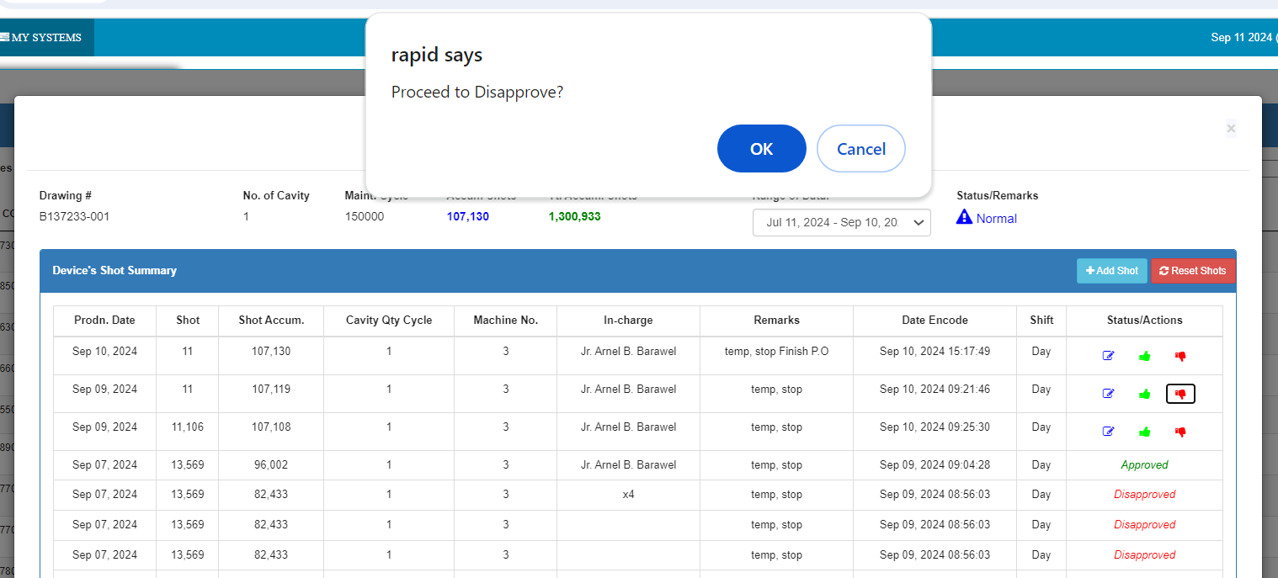

2. Different incharge names on EDIT m ode compared to add shots mode. Names should be the same to Add Shots mode
3. To add Henry De Guzman, Aries Tenorio

